Top sheet
Average Prices and Volumes of Sales |  |  |  |  |  |  |  |  |  |  | AFFORDABILITY

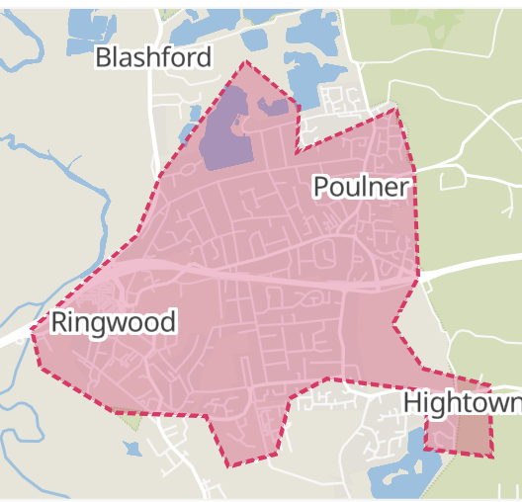
Year 2021
Age: any |  |  |  |  |  |  |  |  |  |  | Average | Average | BH24 1
Report created on: 2022-08-19 |  |  |  |  |  |  |  |  |  |  | Income £ | Price/Income
Fordingbridge | Detached | Sales | Semi-det | Sales | Terraced | Sales | Flat/mais | Sales | Overall average | Total sales
SP6 1 | £476,788 | 72 | £321,383 | 45 | £330,250 | 20 | £163,469 | 16 | £379,160 | 153
SP6 2 | £784,423 | 39 | £507,500 | 4 | £0 | 0 | £275,000 | 1 | £747,670 | 44
SP6 3 | £547,092 | 70 | £318,081 | 21 | £283,000 | 13 | £259,583 | 3 | £461,999 | 107
Total | £570,264 | 181 | £331,028 | 70 | £311,636 | 33 | £183,462 | 20 | £461,654 | 304 | 34200 | 13.50

Ringwood | Detached | Sales | Semi-det | Sales | Terraced | Sales | Flat/mais | Sales | Overall average | Total sales
BH24 1 | £492,113 | 71 | £346,212 | 52 | £297,533 | 30 | £197,582 | 39 | £362,368 | 192 | 31300 | 11.58
BH24 2 (St Ives) | £736,317 | 189 | £426,250 | 4 | £273,500 | 7 | £350,917 | 6 | £703,344 | 206 | 31300 | 22.47
BH24 3 | £713,313 | 51 | £382,079 | 19 | £308,531 | 16 | £143,000 | 4 | £546,077 | 90 | 31300 | 17.45
Average |  | 311 |  | 75 |  | 53 |  | 49 | £537,263 | 488 | 31300 | 15.71

New Milton
BH25 5 | £569,021 | 147 | £368,861 | 41 | £381,612 | 46 | £169,122 | 32 | £457,652 | 266
BH25 6 | £506,426 | 66 | £359,938 | 26 | £305,947 | 29 | £223,223 | 70 | £352,254 | 191
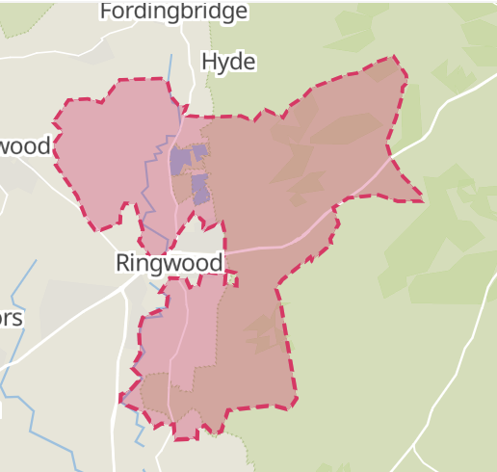
BH25 7 | £588,442 | 150 | £467,200 | 10 | £376,731 | 13 | £300,886 | 49 | £507,114 | 222
Total | £565,665 | 363 | £378,619 | 77 | £355,956 | 88 | £236,959 | 151 | £444,176 | 679 | 30500 | 14.56 | BH24 3

Lymimngton/Pennington
SO41 0 | £762,063 | 155 | £421,536 | 54 | £430,865 | 44 | £321,688 | 59 | £573,142 | 312
SO41 3 Lymington centre | £1,087,161 | 31 | £592,813 | 22 | £631,406 | 16 | £367,300 | 15 | £742,332 | 84
SO41 5 | £874,734 | 16 | £385,200 | 1 | £0 | 0 | £300,000 | 1 | £815,608 | 18
SO41 6 | £728,668 | 53 | £468,900 | 10 | £315,000 | 1 | £290,000 | 3 | £664,081 | 67
SO41 8 Pennington | £815,842 | 67 | £448,868 | 30 | £355,997 | 19 | £184,556 | 17 | £586,683 | 133
SO41 9 Lymington Centre | £612,984 | 37 | £432,770 | 38 | £438,085 | 51 | £303,381 | 67 | £423,806 | 193
Total | £784,899 | 359 | £456,712 | 155 | £446,427 | 131 | £303,229 | 162 | £570,228 | 807 | 33500 | 17.02

Totton/Eling
SO40 2 (includes part Ashurst/Calmore) | £524,154 | 42 | £314,742 | 37 | £258,154 | 45 | £251,667 | 3 | £362,456 | 127
SO40 3 | £362,482 | 45 | £317,550 | 54 | £251,156 | 16 | £169,474 | 19 | £303,716 | 134
average |  |  |  |  |  |  |  |  | £333,086 |  | 34500 | 9.65

Marchwood
SO40 4 | £428,104 | 37 | £336,458 | 13 | £258,468 | 36 | £189,953 | 17 | £317,940 | 103 | 36700 | 8.66

